Sheet 1
Photo | ARTICLE | Arcicle - Color | COLOR | SIZE | PRODUCT LINE | CATEGORY | BRAND | RRP EUR | QTY
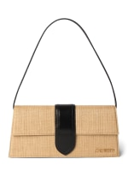 | 221BA013-3215 | 221BA013-32151FY | 1FY | 01 | WOMEN'S ACCESSORIES | SHOULDER BAG | JACQUEMUS | 850.00 € | 10
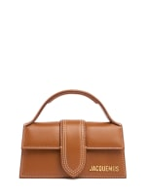 | 213BA006-3072 | 213BA006-3072811 | 811 | 01 | WOMEN'S ACCESSORIES | TOP HANDLE | JACQUEMUS | 620.00 € | 21
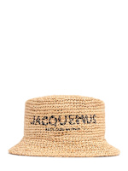 | 246AC678-5207 | 246AC678-5207142 | 142 | 56 | WOMEN'S ACCESSORIES | HAT | JACQUEMUS | 270.00 € | 4
 | 246AC678-5207 | 246AC678-5207142 | 142 | 58 | WOMEN'S ACCESSORIES | HAT | JACQUEMUS | 270.00 € | 4
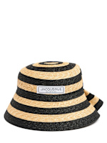 | 246AC677-5078 | 246AC677-50781FY | 1FY | 56 | WOMEN'S ACCESSORIES | HAT | JACQUEMUS | 320.00 € | 4
 | 246AC677-5078 | 246AC677-50781FY | 1FY | 58 | WOMEN'S ACCESSORIES | HAT | JACQUEMUS | 320.00 € | 4
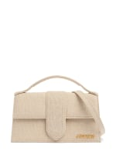 | 213BA007-3071 | 213BA007-3071140 | 140 | 01 | WOMEN'S ACCESSORIES | SHOULDER BAG | JACQUEMUS | 820.00 € | 19
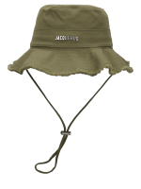 | 213AC002-5012 | 213AC002-5012560 | 560 | 56 | WOMEN'S ACCESSORIES | HAT | JACQUEMUS | 130.00 € | 4
 | 213AC002-5012 | 213AC002-5012560 | 560 | 58 | WOMEN'S ACCESSORIES | HAT | JACQUEMUS | 130.00 € | 4
 | 213AC002-5012 | 213AC002-5012560 | 560 | 60 | WOMEN'S ACCESSORIES | HAT | JACQUEMUS | 130.00 € | 1
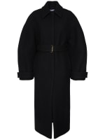 | 243CO068-1614 | 243CO068-1614990 | 990 | 36 | WOMEN'S WEAR | COAT | JACQUEMUS | 1,590.00 € | 2
 | 243CO068-1614 | 243CO068-1614990 | 990 | 38 | WOMEN'S WEAR | COAT | JACQUEMUS | 1,590.00 € | 1
 | 243CO068-1614 | 243CO068-1614990 | 990 | 40 | WOMEN'S WEAR | COAT | JACQUEMUS | 1,590.00 € | 1
 | 243CO068-1614 | 243CO068-1614990 | 990 | 42 | WOMEN'S WEAR | COAT | JACQUEMUS | 1,590.00 € | 1
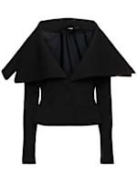 | 243JA074-1667 | 243JA074-1667990 | 990 | 32 | WOMEN'S WEAR | JACKET | JACQUEMUS | 1,190.00 € | 1
 | 243JA074-1667 | 243JA074-1667990 | 990 | 34 | WOMEN'S WEAR | JACKET | JACQUEMUS | 1,190.00 € | 1
 | 243JA074-1667 | 243JA074-1667990 | 990 | 36 | WOMEN'S WEAR | JACKET | JACQUEMUS | 1,190.00 € | 1
 | 243JA074-1667 | 243JA074-1667990 | 990 | 40 | WOMEN'S WEAR | JACKET | JACQUEMUS | 1,190.00 € | 1
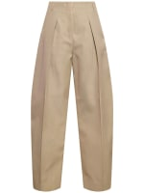 | 241PA079-1629 | 241PA079-1629150 | 150 | 32 | WOMEN'S WEAR | PANTS | JACQUEMUS | 790.00 € | 1
 | 241PA079-1629 | 241PA079-1629150 | 150 | 34 | WOMEN'S WEAR | PANTS | JACQUEMUS | 790.00 € | 1
 | 241PA079-1629 | 241PA079-1629150 | 150 | 40 | WOMEN'S WEAR | PANTS | JACQUEMUS | 790.00 € | 1
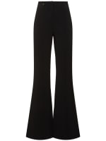 | 243PA113-2381 | 243PA113-2381990 | 990 | XS | WOMEN'S WEAR | PANTS | JACQUEMUS | 490.00 € | 2
 | 243PA113-2381 | 243PA113-2381990 | 990 | S | WOMEN'S WEAR | PANTS | JACQUEMUS | 490.00 € | 1
 | 243PA113-2381 | 243PA113-2381990 | 990 | M | WOMEN'S WEAR | PANTS | JACQUEMUS | 490.00 € | 1
 | 243PA113-2381 | 243PA113-2381990 | 990 | L | WOMEN'S WEAR | PANTS | JACQUEMUS | 490.00 € | 2
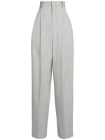 | 243PA117-1660 | 243PA117-1660910 | 910 | 32 | WOMEN'S WEAR | PANTS | JACQUEMUS | 820.00 € | 1
 | 243PA117-1660 | 243PA117-1660910 | 910 | 34 | WOMEN'S WEAR | PANTS | JACQUEMUS | 820.00 € | 1
 | 243PA117-1660 | 243PA117-1660910 | 910 | 36 | WOMEN'S WEAR | PANTS | JACQUEMUS | 820.00 € | 1
 | 243PA117-1660 | 243PA117-1660910 | 910 | 38 | WOMEN'S WEAR | PANTS | JACQUEMUS | 820.00 € | 1
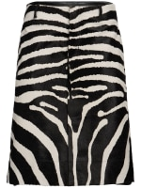 | 243SK072-1590 | 243SK072-15909DZ | 9DZ | 34 | WOMEN'S WEAR | SKIRT | JACQUEMUS | 1,890.00 € | 2
 | 243SK072-1590 | 243SK072-15909DZ | 9DZ | 36 | WOMEN'S WEAR | SKIRT | JACQUEMUS | 1,890.00 € | 1
 | 243SK072-1590 | 243SK072-15909DZ | 9DZ | 38 | WOMEN'S WEAR | SKIRT | JACQUEMUS | 1,890.00 € | 1
 | 243SK072-1590 | 243SK072-15909DZ | 9DZ | 40 | WOMEN'S WEAR | SKIRT | JACQUEMUS | 1,890.00 € | 1
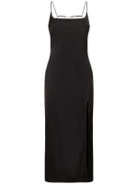 | 241DR100-1000 | 241DR100-1000990 | 990 | 32 | WOMEN'S WEAR | DRESS | JACQUEMUS | 790.00 € | 4
 | 241DR100-1000 | 241DR100-1000990 | 990 | 34 | WOMEN'S WEAR | DRESS | JACQUEMUS | 790.00 € | 6
 | 241DR100-1000 | 241DR100-1000990 | 990 | 36 | WOMEN'S WEAR | DRESS | JACQUEMUS | 790.00 € | 9
 | 241DR100-1000 | 241DR100-1000990 | 990 | 38 | WOMEN'S WEAR | DRESS | JACQUEMUS | 790.00 € | 8
 | 241DR100-1000 | 241DR100-1000990 | 990 | 40 | WOMEN'S WEAR | DRESS | JACQUEMUS | 790.00 € | 6
 | 241DR100-1000 | 241DR100-1000990 | 990 | 42 | WOMEN'S WEAR | DRESS | JACQUEMUS | 790.00 € | 2
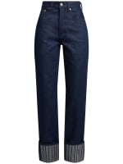 | 243DE064-1513 | 243DE064-151338F | 38F | 26 | WOMEN'S WEAR | JEANS | JACQUEMUS | 450.00 € | 2
 | 243DE064-1513 | 243DE064-151338F | 38F | 27 | WOMEN'S WEAR | JEANS | JACQUEMUS | 450.00 € | 1
 | 243DE064-1513 | 243DE064-151338F | 38F | 28 | WOMEN'S WEAR | JEANS | JACQUEMUS | 450.00 € | 1
 | 243DE064-1513 | 243DE064-151338F | 38F | 30 | WOMEN'S WEAR | JEANS | JACQUEMUS | 450.00 € | 1
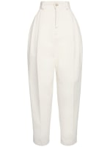 | 243DE055-1514 | 243DE055-1514110 | 110 | 25 | WOMEN'S WEAR | JEANS | JACQUEMUS | 490.00 € | 1
 | 243DE055-1514 | 243DE055-1514110 | 110 | 26 | WOMEN'S WEAR | JEANS | JACQUEMUS | 490.00 € | 1
 | 243DE055-1514 | 243DE055-1514110 | 110 | 27 | WOMEN'S WEAR | JEANS | JACQUEMUS | 490.00 € | 1
 | 243DE055-1514 | 243DE055-1514110 | 110 | 29 | WOMEN'S WEAR | JEANS | JACQUEMUS | 490.00 € | 1
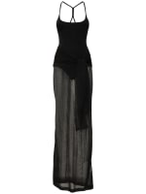 | 243KN523-2357 | 243KN523-2357990 | 990 | 36 | WOMEN'S WEAR | DRESS | JACQUEMUS | 690.00 € | 2
 | 243KN523-2357 | 243KN523-2357990 | 990 | 38 | WOMEN'S WEAR | DRESS | JACQUEMUS | 690.00 € | 5
 | 243KN523-2357 | 243KN523-2357990 | 990 | 40 | WOMEN'S WEAR | DRESS | JACQUEMUS | 690.00 € | 3
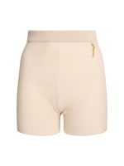 | 231KN503-2060 | 231KN503-2060130 | 130 | 32 | WOMEN'S WEAR | SHORTS | JACQUEMUS | 220.00 € | 1
 | 231KN503-2060 | 231KN503-2060130 | 130 | 34 | WOMEN'S WEAR | SHORTS | JACQUEMUS | 220.00 € | 3
 | 231KN503-2060 | 231KN503-2060130 | 130 | 36 | WOMEN'S WEAR | SHORTS | JACQUEMUS | 220.00 € | 2
 | 231KN503-2060 | 231KN503-2060130 | 130 | 38 | WOMEN'S WEAR | SHORTS | JACQUEMUS | 220.00 € | 3
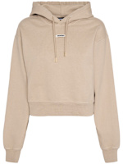 | 241JS162-2341 | 241JS162-2341151 | 151 | XXS | WOMEN'S WEAR | SWEATSHIRT | JACQUEMUS | 320.00 € | 1
 | 241JS162-2341 | 241JS162-2341151 | 151 | XS | WOMEN'S WEAR | SWEATSHIRT | JACQUEMUS | 320.00 € | 4
 | 241JS162-2341 | 241JS162-2341151 | 151 | L | WOMEN'S WEAR | SWEATSHIRT | JACQUEMUS | 320.00 € | 2
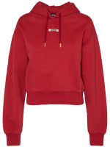 | 241JS162-2341 | 241JS162-2341480 | 480 | XXS | WOMEN'S WEAR | SWEATSHIRT | JACQUEMUS | 320.00 € | 1
 | 241JS162-2341 | 241JS162-2341480 | 480 | XS | WOMEN'S WEAR | SWEATSHIRT | JACQUEMUS | 320.00 € | 5
 | 241JS162-2341 | 241JS162-2341480 | 480 | S | WOMEN'S WEAR | SWEATSHIRT | JACQUEMUS | 320.00 € | 4
 | 241JS162-2341 | 241JS162-2341480 | 480 | M | WOMEN'S WEAR | SWEATSHIRT | JACQUEMUS | 320.00 € | 5
 | 241JS162-2341 | 241JS162-2341480 | 480 | L | WOMEN'S WEAR | SWEATSHIRT | JACQUEMUS | 320.00 € | 1
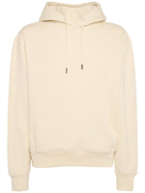 | 245JS310-2120 | 245JS310-2120151 | 151 | S | MEN'S WEAR | SWEATSHIRT | JACQUEMUS | 290.00 € | 5
 | 245JS310-2120 | 245JS310-2120151 | 151 | M | MEN'S WEAR | SWEATSHIRT | JACQUEMUS | 290.00 € | 9
 | 245JS310-2120 | 245JS310-2120151 | 151 | L | MEN'S WEAR | SWEATSHIRT | JACQUEMUS | 290.00 € | 5
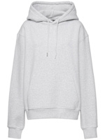 | 245JS310-2120 | 245JS310-2120951 | 951 | XXS | MEN'S WEAR | SWEATSHIRT | JACQUEMUS | 290.00 € | 2
 | 245JS310-2120 | 245JS310-2120951 | 951 | XS | MEN'S WEAR | SWEATSHIRT | JACQUEMUS | 290.00 € | 4
 | 245JS310-2120 | 245JS310-2120951 | 951 | S | MEN'S WEAR | SWEATSHIRT | JACQUEMUS | 290.00 € | 7
 | 245JS310-2120 | 245JS310-2120951 | 951 | M | MEN'S WEAR | SWEATSHIRT | JACQUEMUS | 290.00 € | 8
 | 245JS310-2120 | 245JS310-2120951 | 951 | L | MEN'S WEAR | SWEATSHIRT | JACQUEMUS | 290.00 € | 5
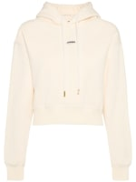 | 241JS162-2341 | 241JS162-2341130 | 130 | XXS | WOMEN'S WEAR | SWEATSHIRT | JACQUEMUS | 320.00 € | 2
 | 241JS162-2341 | 241JS162-2341130 | 130 | XS | WOMEN'S WEAR | SWEATSHIRT | JACQUEMUS | 320.00 € | 18
 | 241JS162-2341 | 241JS162-2341130 | 130 | S | WOMEN'S WEAR | SWEATSHIRT | JACQUEMUS | 320.00 € | 22
 | 241JS162-2341 | 241JS162-2341130 | 130 | M | WOMEN'S WEAR | SWEATSHIRT | JACQUEMUS | 320.00 € | 17
 | 241JS162-2341 | 241JS162-2341130 | 130 | L | WOMEN'S WEAR | SWEATSHIRT | JACQUEMUS | 320.00 € | 10
 | 241JS162-2341 | 241JS162-2341130 | 130 | XL | WOMEN'S WEAR | SWEATSHIRT | JACQUEMUS | 320.00 € | 4
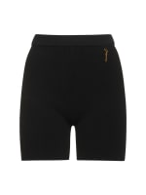 | 231KN503-2060 | 231KN503-2060BLACK | BLACK | 32 | WOMEN'S WEAR | SHORTS | JACQUEMUS | 220.00 € | 1
 | 231KN503-2060 | 231KN503-2060BLACK | BLACK | 34 | WOMEN'S WEAR | SHORTS | JACQUEMUS | 220.00 € | 4
 | 231KN503-2060 | 231KN503-2060BLACK | BLACK | 36 | WOMEN'S WEAR | SHORTS | JACQUEMUS | 220.00 € | 4
 | 231KN503-2060 | 231KN503-2060BLACK | BLACK | 38 | WOMEN'S WEAR | SHORTS | JACQUEMUS | 220.00 € | 3
 | 231KN503-2060 | 231KN503-2060BLACK | BLACK | 40 | WOMEN'S WEAR | SHORTS | JACQUEMUS | 220.00 € | 1
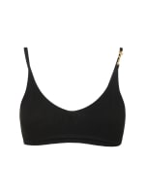 | 231KN502-2060 | 231KN502-2060BLACK | BLACK | XS | WOMEN'S WEAR | TOP | JACQUEMUS | 160.00 € | 3
 | 231KN502-2060 | 231KN502-2060BLACK | BLACK | S | WOMEN'S WEAR | TOP | JACQUEMUS | 160.00 € | 5
 | 231KN502-2060 | 231KN502-2060BLACK | BLACK | M | WOMEN'S WEAR | TOP | JACQUEMUS | 160.00 € | 4
 | 231KN502-2060 | 231KN502-2060BLACK | BLACK | L | WOMEN'S WEAR | TOP | JACQUEMUS | 160.00 € | 4
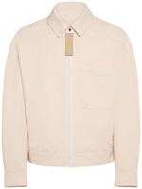 | 245BL013-1534 | 245BL013-1534150 | 150 | 44 | MEN'S WEAR | CASUAL JACKET | JACQUEMUS | 590.00 € | 1
 | 245BL013-1534 | 245BL013-1534150 | 150 | 46 | MEN'S WEAR | CASUAL JACKET | JACQUEMUS | 590.00 € | 3
 | 245BL013-1534 | 245BL013-1534150 | 150 | 52 | MEN'S WEAR | CASUAL JACKET | JACQUEMUS | 590.00 € | 1
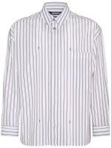 | 245SH070-1140 | 245SH070-11401FE | 1FE | 44 | MEN'S WEAR | SHIRT | JACQUEMUS | 420.00 € | 1
 | 245SH070-1140 | 245SH070-11401FE | 1FE | 46 | MEN'S WEAR | SHIRT | JACQUEMUS | 420.00 € | 2
 | 245SH070-1140 | 245SH070-11401FE | 1FE | 48 | MEN'S WEAR | SHIRT | JACQUEMUS | 420.00 € | 1
 | 245SH070-1140 | 245SH070-11401FE | 1FE | 54 | MEN'S WEAR | SHIRT | JACQUEMUS | 420.00 € | 1
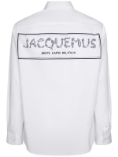 | 246SH001-1140 | 246SH001-11401HT | 1HT | 46 | MEN'S WEAR | SHIRT | JACQUEMUS | 420.00 € | 4
 | 246SH001-1140 | 246SH001-11401HT | 1HT | 52 | MEN'S WEAR | SHIRT | JACQUEMUS | 420.00 € | 2
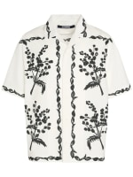 | 246SH202-1586 | 246SH202-15869BR | 9BR | 44 | MEN'S WEAR | SHIRT | JACQUEMUS | 390.00 € | 2
 | 246SH202-1586 | 246SH202-15869BR | 9BR | 46 | MEN'S WEAR | SHIRT | JACQUEMUS | 390.00 € | 7
 | 246SH202-1586 | 246SH202-15869BR | 9BR | 50 | MEN'S WEAR | SHIRT | JACQUEMUS | 390.00 € | 4
 | 246SH202-1586 | 246SH202-15869BR | 9BR | 52 | MEN'S WEAR | SHIRT | JACQUEMUS | 390.00 € | 3
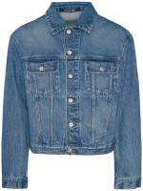 | 246DE027-1513 | 246DE027-151333C | 33C | 46 | MEN'S WEAR | CASUAL JACKET | JACQUEMUS | 650.00 € | 1
 | 246DE027-1513 | 246DE027-151333C | 33C | 48 | MEN'S WEAR | CASUAL JACKET | JACQUEMUS | 650.00 € | 1
 | 246DE027-1513 | 246DE027-151333C | 33C | 50 | MEN'S WEAR | CASUAL JACKET | JACQUEMUS | 650.00 € | 1
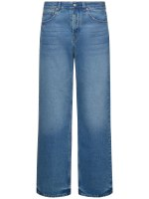 | 245DE028-1513 | 245DE028-151333C | 33C | 36 | MEN'S WEAR | JEANS | JACQUEMUS | 390.00 € | 1
 | 245DE028-1513 | 245DE028-151333C | 33C | 35 | MEN'S WEAR | JEANS | JACQUEMUS | 390.00 € | 1
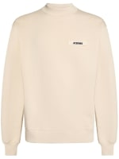 | 245JS206-2036 | 245JS206-2036150 | 150 | S | MEN'S WEAR | SWEATSHIRT | JACQUEMUS | 290.00 € | 6
 | 245JS206-2036 | 245JS206-2036150 | 150 | M | MEN'S WEAR | SWEATSHIRT | JACQUEMUS | 290.00 € | 6
 | 245JS206-2036 | 245JS206-2036150 | 150 | L | MEN'S WEAR | SWEATSHIRT | JACQUEMUS | 290.00 € | 10
 | 245JS206-2036 | 245JS206-2036150 | 150 | XL | MEN'S WEAR | SWEATSHIRT | JACQUEMUS | 290.00 € | 8
 | 245JS206-2036 | 245JS206-2036150 | 150 | XXL | MEN'S WEAR | SWEATSHIRT | JACQUEMUS | 290.00 € | 3
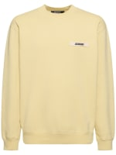 | 245JS206-2036 | 245JS206-2036212 | 212 | S | MEN'S WEAR | SWEATSHIRT | JACQUEMUS | 290.00 € | 2
 | 245JS206-2036 | 245JS206-2036212 | 212 | M | MEN'S WEAR | SWEATSHIRT | JACQUEMUS | 290.00 € | 7
 | 245JS206-2036 | 245JS206-2036212 | 212 | L | MEN'S WEAR | SWEATSHIRT | JACQUEMUS | 290.00 € | 7
 | 245JS206-2036 | 245JS206-2036212 | 212 | XL | MEN'S WEAR | SWEATSHIRT | JACQUEMUS | 290.00 € | 6
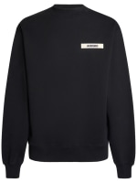 | 245JS206-2036 | 245JS206-2036990 | 990 | S | MEN'S WEAR | SWEATSHIRT | JACQUEMUS | 290.00 € | 3
 | 245JS206-2036 | 245JS206-2036990 | 990 | M | MEN'S WEAR | SWEATSHIRT | JACQUEMUS | 290.00 € | 2
 | 245JS206-2036 | 245JS206-2036990 | 990 | L | MEN'S WEAR | SWEATSHIRT | JACQUEMUS | 290.00 € | 3
 | 245JS206-2036 | 245JS206-2036990 | 990 | XL | MEN'S WEAR | SWEATSHIRT | JACQUEMUS | 290.00 € | 3
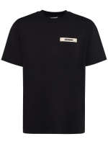 | 245JS208-2125 | 245JS208-2125990 | 990 | S | MEN'S WEAR | T-SHIRT | JACQUEMUS | 150.00 € | 5
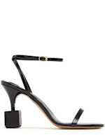 | 243FO149-4036 | 243FO149-4036990 | 990 | 37 | CONTEMPORARY SHOES WOMAN | SANDALS [WOMEN] | JACQUEMUS | 690.00 € | 1
 | 243FO149-4036 | 243FO149-4036990 | 990 | 38 | CONTEMPORARY SHOES WOMAN | SANDALS [WOMEN] | JACQUEMUS | 690.00 € | 1
 | 243FO149-4036 | 243FO149-4036990 | 990 | 39 | CONTEMPORARY SHOES WOMAN | SANDALS [WOMEN] | JACQUEMUS | 690.00 € | 1
 | 243FO149-4036 | 243FO149-4036990 | 990 | 40 | CONTEMPORARY SHOES WOMAN | SANDALS [WOMEN] | JACQUEMUS | 690.00 € | 1
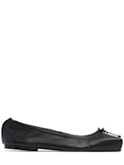 | 243FO157-3073 | 243FO157-3073990 | 990 | 36 | CONTEMPORARY SHOES WOMAN | FLATS | JACQUEMUS | 590.00 € | 2
 | 243FO157-3073 | 243FO157-3073990 | 990 | 37 | CONTEMPORARY SHOES WOMAN | FLATS | JACQUEMUS | 590.00 € | 5
 | 243FO157-3073 | 243FO157-3073990 | 990 | 38 | CONTEMPORARY SHOES WOMAN | FLATS | JACQUEMUS | 590.00 € | 6
 | 243FO157-3073 | 243FO157-3073990 | 990 | 39 | CONTEMPORARY SHOES WOMAN | FLATS | JACQUEMUS | 590.00 € | 4
 | 243FO157-3073 | 243FO157-3073990 | 990 | 40 | CONTEMPORARY SHOES WOMAN | FLATS | JACQUEMUS | 590.00 € | 2
 | 243FO157-3073 | 243FO157-3073990 | 990 | 41 | CONTEMPORARY SHOES WOMAN | FLATS | JACQUEMUS | 590.00 € | 1
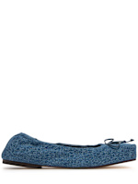 | 243FO157-3176 | 243FO157-3176330 | 330 | 35 | WOMEN'S SHOES | FLATS | JACQUEMUS | 590.00 € | 1
 | 243FO157-3176 | 243FO157-3176330 | 330 | 36 | WOMEN'S SHOES | FLATS | JACQUEMUS | 590.00 € | 1
 | 243FO157-3176 | 243FO157-3176330 | 330 | 37 | WOMEN'S SHOES | FLATS | JACQUEMUS | 590.00 € | 4
 | 243FO157-3176 | 243FO157-3176330 | 330 | 38 | WOMEN'S SHOES | FLATS | JACQUEMUS | 590.00 € | 4
 | 243FO157-3176 | 243FO157-3176330 | 330 | 39 | WOMEN'S SHOES | FLATS | JACQUEMUS | 590.00 € | 4
 | 243FO157-3176 | 243FO157-3176330 | 330 | 40 | WOMEN'S SHOES | FLATS | JACQUEMUS | 590.00 € | 2
 | 243FO157-3176 | 243FO157-3176330 | 330 | 41 | WOMEN'S SHOES | FLATS | JACQUEMUS | 590.00 € | 1
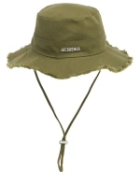 | 213AC002-5012 | 213AC002-5012560 | 560 | 56 | MEN'S ACCESSORIES | HAT | JACQUEMUS | 130.00 € | 2
 | 213AC002-5012 | 213AC002-5012560 | 560 | 58 | MEN'S ACCESSORIES | HAT | JACQUEMUS | 130.00 € | 2
 | 213AC002-5012 | 213AC002-5012560 | 560 | 60 | MEN'S ACCESSORIES | HAT | JACQUEMUS | 130.00 € | 1
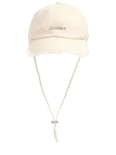 | 235AC452-5012 | 235AC452-5012110 | 110 | 56 | MEN'S ACCESSORIES | HAT | JACQUEMUS | 110.00 € | 2
 | 235AC452-5012 | 235AC452-5012110 | 110 | 58 | MEN'S ACCESSORIES | HAT | JACQUEMUS | 110.00 € | 2
 | 235AC452-5012 | 235AC452-5012110 | 110 | 60 | MEN'S ACCESSORIES | HAT | JACQUEMUS | 110.00 € | 1
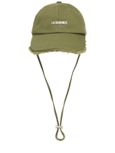 | 235AC452-5012 | 235AC452-5012560 | 560 | 56 | MEN'S ACCESSORIES | HAT | JACQUEMUS | 110.00 € | 4
 | 235AC452-5012 | 235AC452-5012560 | 560 | 58 | MEN'S ACCESSORIES | HAT | JACQUEMUS | 110.00 € | 4
 | 235AC452-5012 | 235AC452-5012560 | 560 | 60 | MEN'S ACCESSORIES | HAT | JACQUEMUS | 110.00 € | 1
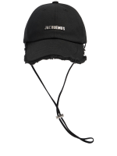 | 235AC452-5012 | 235AC452-5012990 | 990 | 56 | MEN'S ACCESSORIES | HAT | JACQUEMUS | 110.00 € | 4
 | 235AC452-5012 | 235AC452-5012990 | 990 | 58 | MEN'S ACCESSORIES | HAT | JACQUEMUS | 110.00 € | 4
 | 235AC452-5012 | 235AC452-5012990 | 990 | 60 | MEN'S ACCESSORIES | HAT | JACQUEMUS | 110.00 € | 1
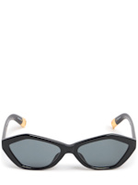 | JAC42C1SUN | JAC42C1SUN990 | 990 | 01 | UNISEX ACCESSORIES | SUNGLASSES | JACQUEMUS | 275.00 € | 3
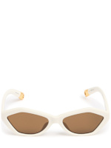 | JAC42C3SUN | JAC42C3SUN100 | 100 | 01 | UNISEX ACCESSORIES | SUNGLASSES | JACQUEMUS | 275.00 € | 4
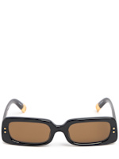 | JAC47C1SUN | JAC47C1SUN990 | 990 | 01 | UNISEX ACCESSORIES | SUNGLASSES | JACQUEMUS | 300.00 € | 4
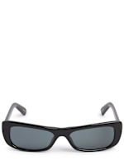 | JAC55C1SUN | JAC55C1SUN990 | 990 | 01 | UNISEX ACCESSORIES | SUNGLASSES | JACQUEMUS | 240.00 € | 4
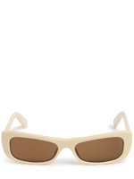 | JAC55C4SUN | JAC55C4SUN150 | 150 | 01 | UNISEX ACCESSORIES | SUNGLASSES | JACQUEMUS | 240.00 € | 6
 |  |  |  |  |  |  |  |  | 533

